Sheet1
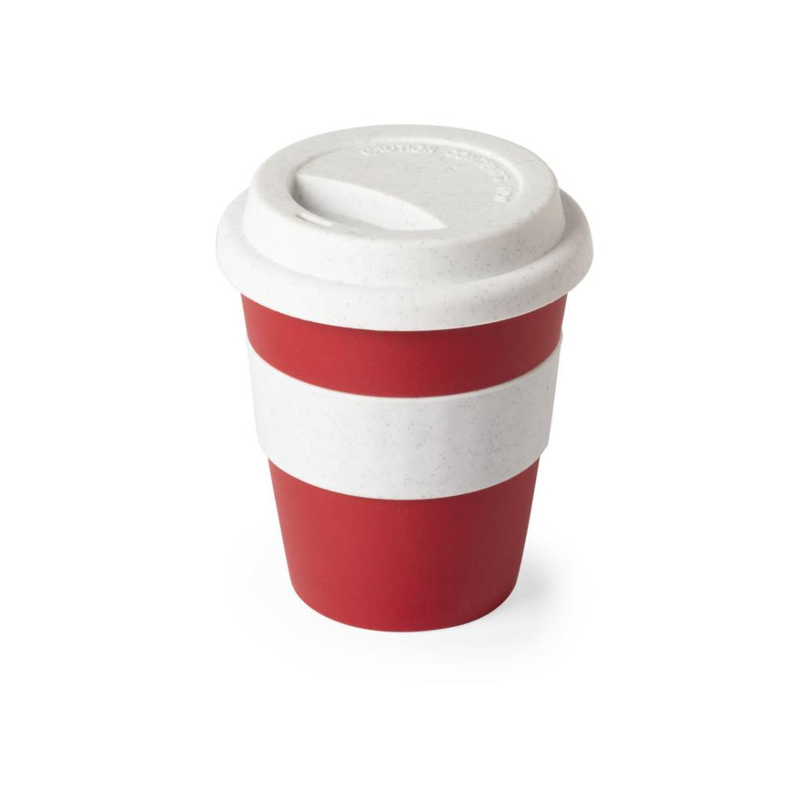
Picture | Item code | Description | Extra information | Restriction | Stock | Sales price EXW | Retail price | Barcode | Quantity PU | Quantity pallet | Pallet | Origin | Customs code | Item weight | Languages on package | Group
 | S-10146 | tumbler with lid FLIKER red 380ml | 6376003000 | no sales in europe | 16984 | 0.29 | 3.53 |  | 100 | 4000 | Chep pallet 120x100 | CN | 39241000 | 90 |  | tumbler with lid FLIKER red 380ml

